TITLE
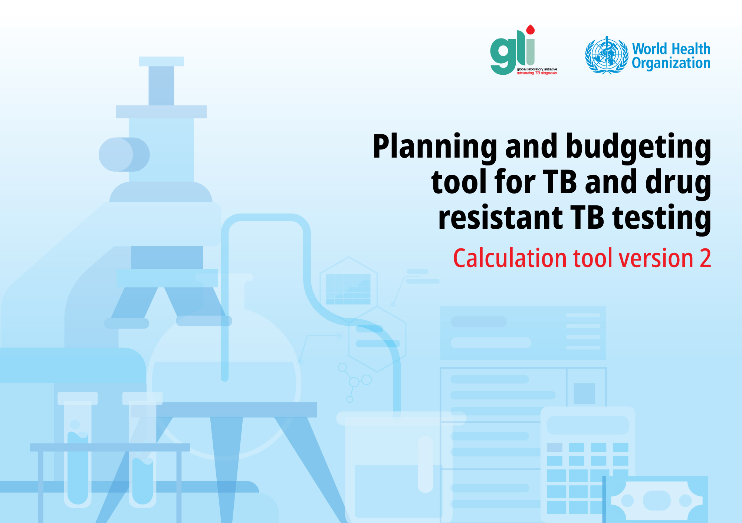

WHO/UCN/TB/2021.8
© WHO 2021. Some rights reserved. This work is available under the | CC BY-NC-SA 3.0 IGO | licence

Intro and instructions
Tool for calculating budget for consumables for TB diagnostics, version 2.0

This tool has been designed to facilitate systematic calculation of the quantities and costs of products for countries planning to order diagnostic products and laboratory supplies from the GDF catalogue. To use the tool, please follow the steps below

Step 1: Select the tests or consumables for which you want a forecast. (Please use drop-down list to choose)
LAM | Yes | <=Choose here
Truenat | Yes | <=Choose here
TB-LAMP | Yes | <=Choose here
Xpert MTB/RIF Ultra | Yes | <=Choose here
Ziehl-Neelsen microscopy | Yes | <=Choose here
Light-emitting diode microscopy | Yes | <=Choose here
Xpert MTB/XDR | Yes | <=Choose here
LPA 1st line | Yes | <=Choose here
LPA 2nd line | Yes | <=Choose here
MAX MDR-TB assay | Yes | <=Choose here
FluoroType MTBDR VER 2.0 | Yes | <=Choose here
Cobas® MTB and MTB-RIF-INH | Yes | <=Choose here
Abbott RT MTB and MTB RIF-INH | Yes | <=Choose here
Processing and solid and liquid cultures | Yes | <=Choose here
Mycobacteria Identification | Yes | <=Choose here
Lowenstein-Jensen 1st-line DST | Yes | <=Choose here
Lowenstein-Jensen 2nd-line DST | Yes | <=Choose here
MGIT 1st-line DST | Yes | <=Choose here
MGIT 2nd-line DST | Yes | <=Choose here
Biosafety and cleaning | Yes | <=Choose here
Maintenance and repair | Yes | <=Choose here

Step 2 : Enter the year of interest

Step 3 : Define the forecasting period (months)

Epidemiology
data
Step 4 : Compile the epidemiological information

Step 5 : Use the consumption or the morbidity-based forecasting method for each selected diagnostic test.

Sheet1
